Purchasing Total T-Shirts
T-Shirts
 | LOGO
Department | Specify # of Colors in Logo | How many locations for the imprint | Contact | Email | Part Number | Quantity | Size | Color | cost/unit | Total | Setup charge | Freight | Total cost | smartkey | Delivery Address | In Hands Date

Sustainability |  |  | Jen Kleindienst | jkleindienst@wesleyan.edu |  | 50 |  | Orange |  | $- |  |  | $-
Office of Graduate Students |  |  | Barb Schukoske | bschukoske@wesleyan.edu |  | 150 |  | Black |  | $- |  |  | $-
Human Resources |  |  | Lauren Stumpf | ldavis01@wesleyan.edu |  | 140 |  |  |  | $- |  |  | $-
Res Life |  |  | Maureen Isleib | misleib@wesleyan.edu |  | 120 |  |  |  | $- |  |  | $-
 |  |  |  |  |  |  |  |  |  | $- |  |  | $-
 |  |  |  |  |  |  |  |  |  | $- |  |  | $-
 |  |  |  |  |  |  |  |  |  | $- |  |  | $-
 |  |  |  |  |  |  |  |  |  | $- |  |  | $-
 |  |  |  |  |  |  |  |  |  | $- |  |  | $-
 |  |  |  |  |  |  |  |  |  | $- |  |  | $-

Total |  |  |  |  |  | 460 |  |  |  |  |  |  | $-

Grand Total |  |  |  |  |  |  |  |  |  |  |  |  | $-
All Departments to use their own P-card.
COLORS: HEATHER, BLACK, BURGUNDY, HEATHER BURGUNDY, CHARCOAL HEATHER, CHOCOLATE, COOL GREY, CORAL, GRAPHITE HEATHER, KELLY GREEN, KELLY HEATHER, LT BLUE HEATHER, MILITARY GREEN, NAVY, NAVY HEATHER
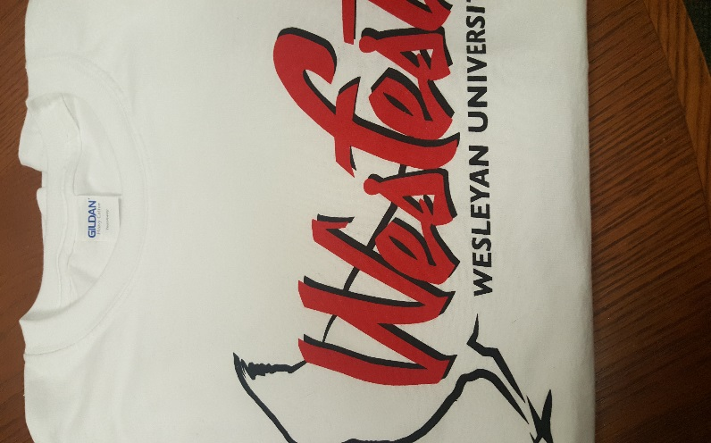
ORANGE, PACIFIC BLUE, RED, RED HEATHER, ROYAL, ROYAL HEATHER, SAND, SQUASH, TURQUOISE, YELLOW
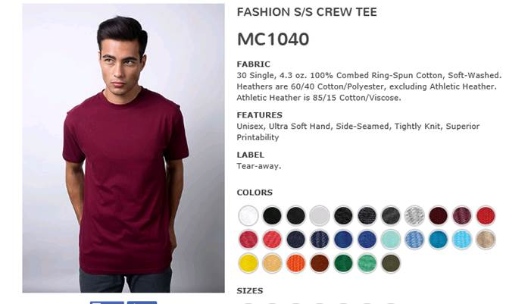
 |  |  |  |  |  |  | WHITE GILDAN HEAVY COTTON | RN93846

Office of Graduate Students
T-Shirts
 | LOGO
Department | Specify # of Colors in Logo | How many locations for the imprint | Contact | Email | Part Number | Quantity | Size | Color | cost/unit | Total | Setup charge | Freight | Total cost | smartkey | Delivery Address | In Hands Date
Office of Graduate Students |  |  | Barb Schukoske | bschukoske@wesleyan.edu | MC-1040 | 150
 |  |  |  |  |  | 60 | Small |  |  | $- |  |  | $-
 |  |  |  |  |  | 50 | Medium |  |  | $- |  |  | $-
 |  |  |  |  |  | 30 | Large |  |  | $- |  |  | $-
 |  |  |  |  |  | 6 | XLarge |  |  | $- |  |  | $-
 |  |  |  |  |  | 4 | XXLarge |  |  | $- |  |  | $-
Total |  |  |  |  |  | 150 |  |  |  |  |  |  | $-

Grand Total |  |  |  |  |  |  |  |  |  |  |  |  | $-
All Departments to use their own P-card.
COLORS: HEATHER, BLACK, BURGUNDY, HEATHER BURGUNDY, CHARCOAL HEATHER, CHOCOLATE, COOL GREY, CORAL, GRAPHITE HEATHER, KELLY GREEN, KELLY HEATHER, LT BLUE HEATHER, MILITARY GREEN, NAVY, NAVY HEATHER
ORANGE, PACIFIC BLUE, RED, RED HEATHER, ROYAL, ROYAL HEATHER, SAND, SQUASH, TURQUOISE, YELLOW

 |  |  |  |  |  | WHITE GILDAN HEAVY COTTON | RN93846

